Script
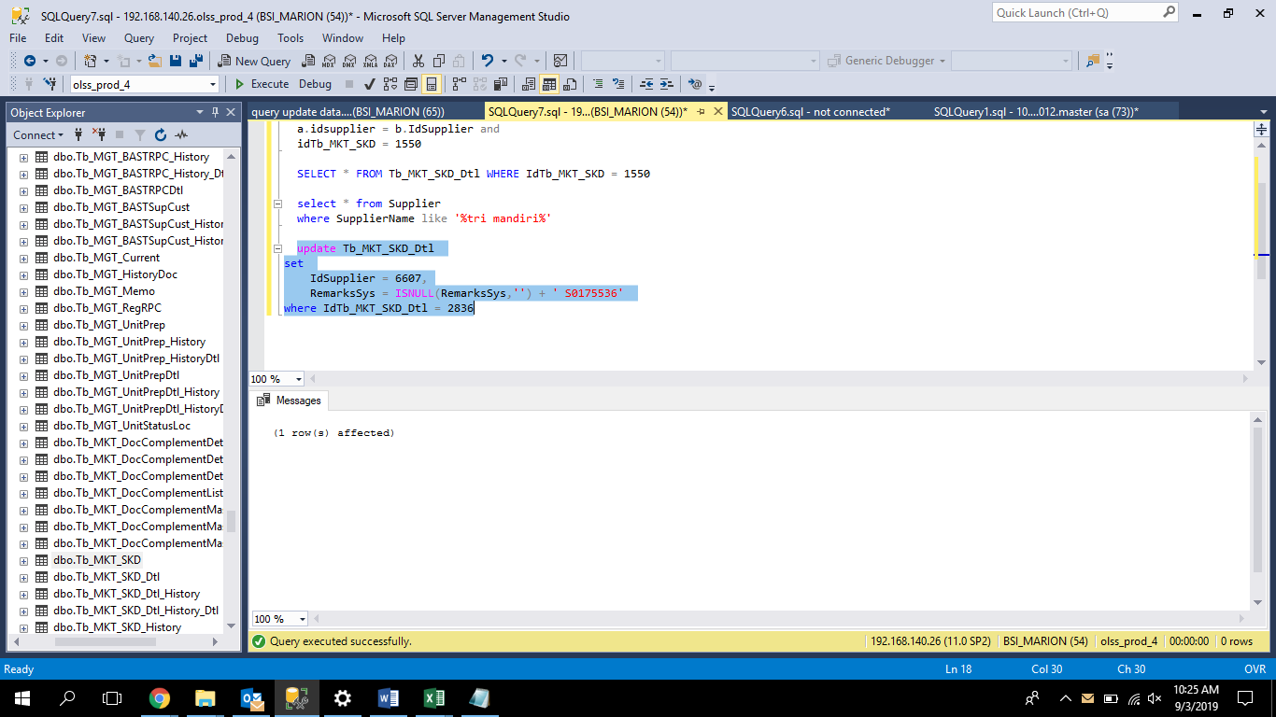
update Tb_MKT_SKD_Dtl
set
 | IdSupplier = 6607,
 | RemarksSys = ISNULL(RemarksSys,'') + ' S0175536'
where IdTb_MKT_SKD_Dtl = 2836

Screenshot
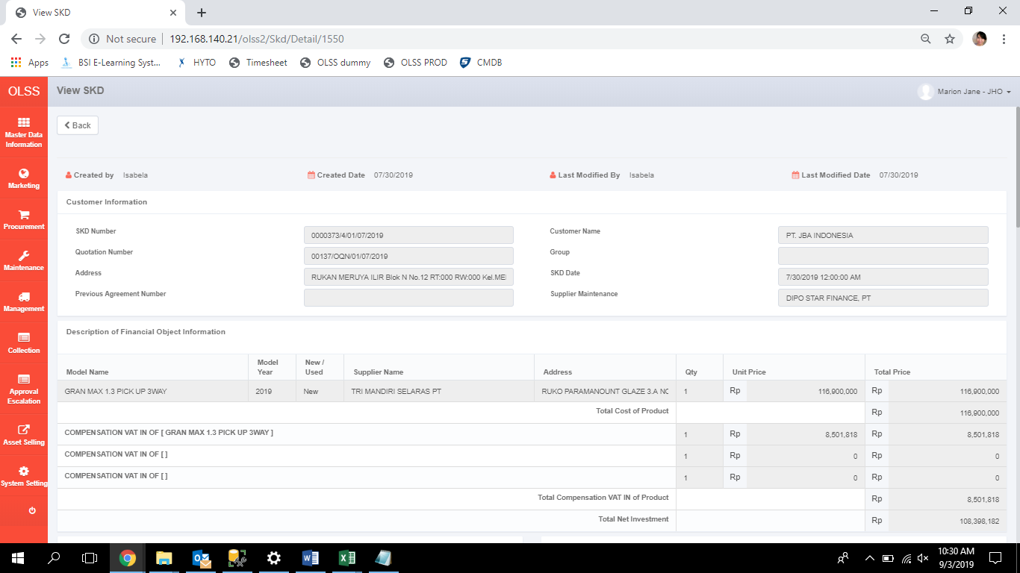
BEFORE
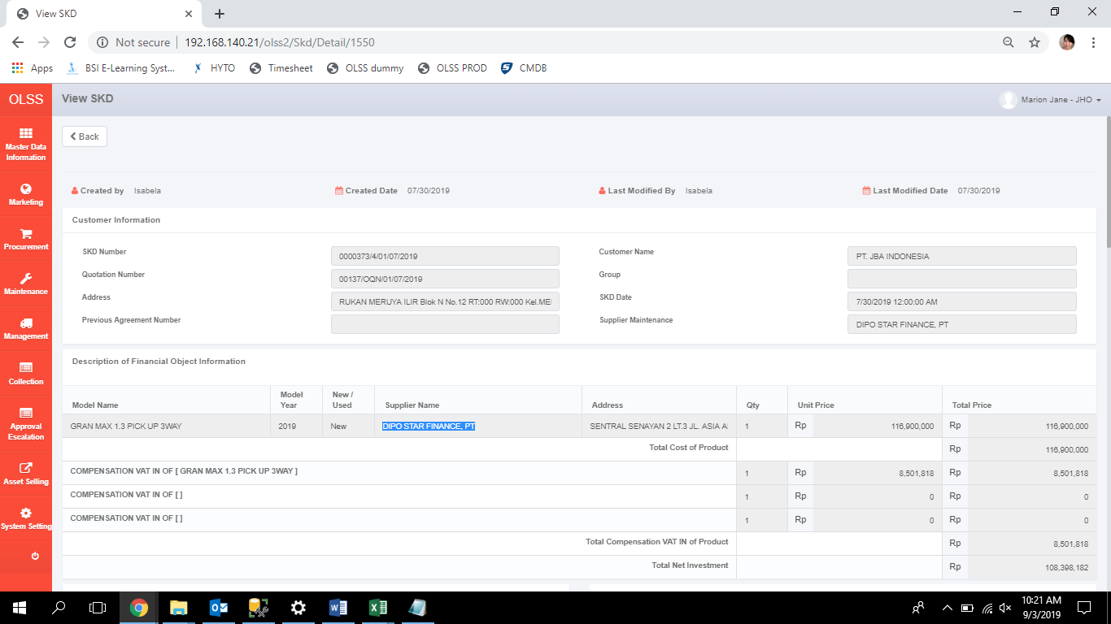

AFTER

